Blad1
 | ORDER |  | SUPPLIER : | ELITE |  | SEASON : | 2026/2 |  | YR REF : | P66W118

 |  |  | DATE: |  |  | PRICE : | 25 | EURO | QUAL. :

 |  |  | DESCRIPTION : | DRESS POLO NECK LONG SLEEVE

REFERENCE |  | HOT CORAL |  | SIZE : | 36 | 38 | 40 | 42 | 44 | 46 | TOTAL
P66W118 |  | BROWN |  |  | 16 | 20 | 24 | 24 | 24 | 20 | 128
 |  | OFFWHITE |  |  | 16 | 20 | 24 | 24 | 24 | 20 | 128
 |  |  |  |  |  |  |  |  |  |  | 0
 |  |  |  |  |  |  |  |  |  |  | 0
 |  |  |  |  |  |  |  |  |  |  | 0
 |  |  |  |  |  |  |  |  |  |  | 256
 |  |  |  |  |  |  |  |  |  |  | STYLE
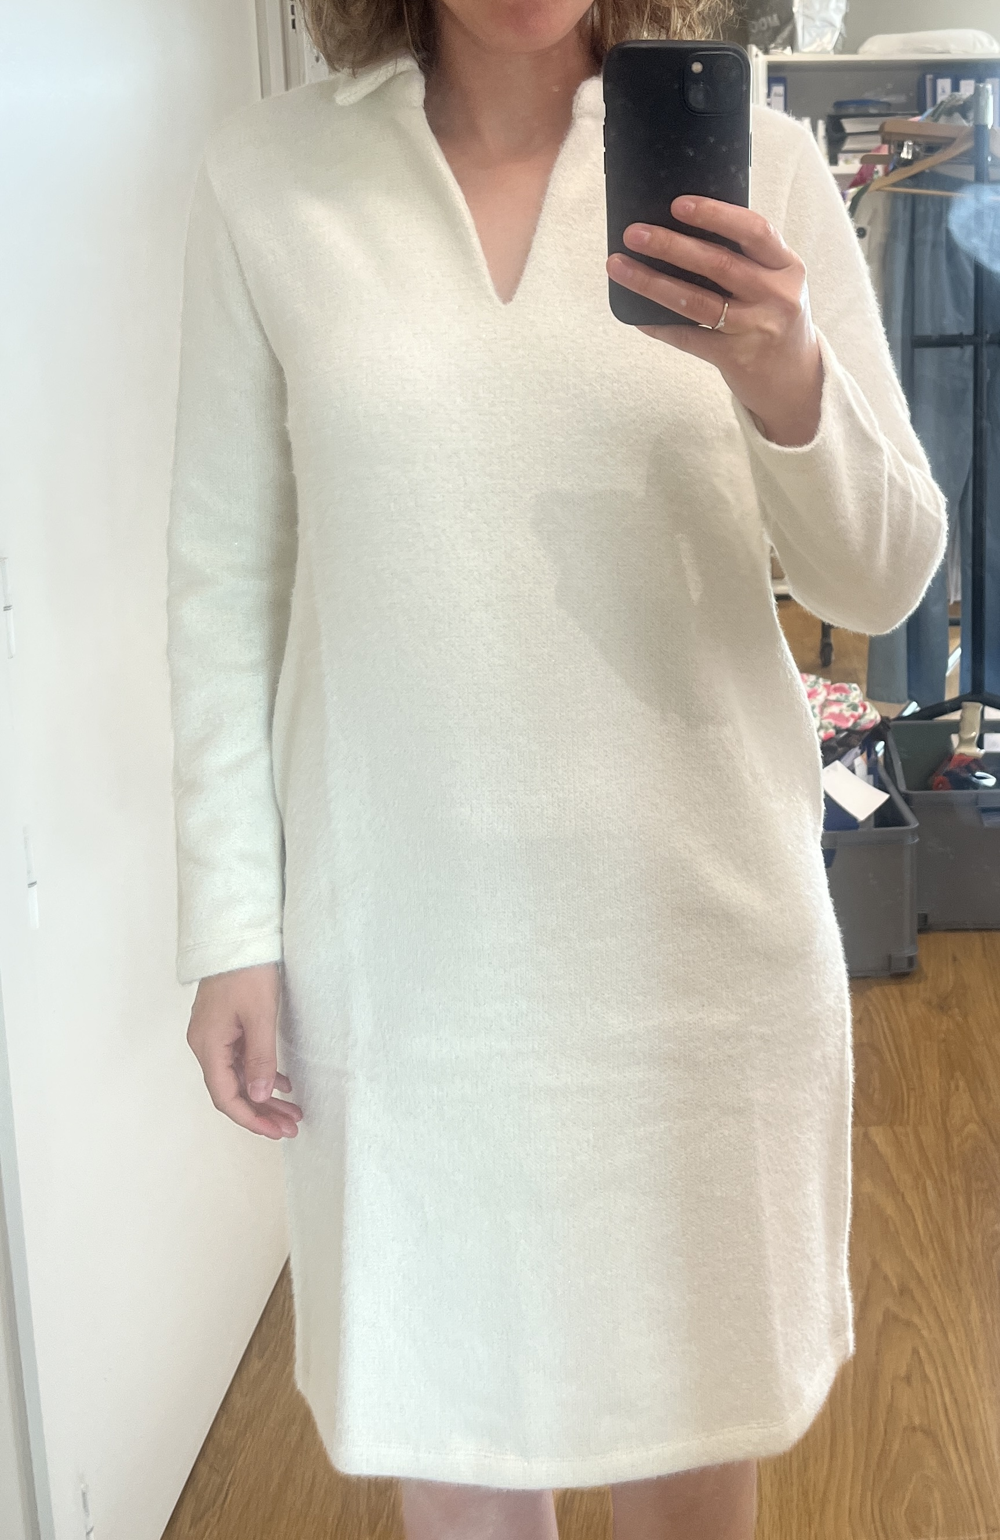

LABELS |  | SHE GOES LALA

REMARK

DELIVERY

